READ_ME
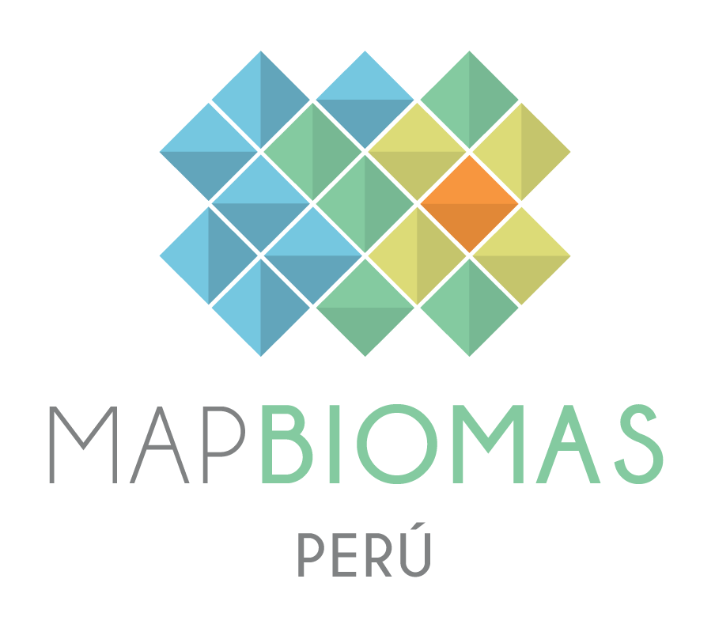

 |  | Versión 1 |  | Version 1 |  |  | Versão 1
 |  | Junio 2025 |  | June 2025 |  |  | Junho 2025

 | BASE DE DATOS DE COBERTURA Y USO DEL SUELO |  | LAND COVER AND LAND USE DATABASE |  |  | BASE DE DADOS DE COBERTURA E USO DA TERRA

 | COLECCION 3 - MAPBIOMAS PERÚ |  | COLLECTION 3 - MAPBIOMAS PERU |  |  | COLEÇÃO 3 - MAPBIOMAS PERU

 | 1. Esta base de datos contiene las áreas (en hectáreas) por clase de cobertura y uso del suelo de Perú para [recortes territoriales] para el período de 1985 a 2024 |  | 1. This database contains the area (in hectares) per land cover and land use class for each [territory categories] in Peru for the period from 1985 to 2024 |  |  | 1. Esta base de dados contém as áreas (em hectares) por classe de cobertura e uso da terra do Peru para [recortes territoriais] para o período de 1985 a 2024

 | 2. Todos los datos son presentados en por lo menos dos niveles anidados de leyenda. |  | 2. All data is presented in at least two nested levels of legend classes. |  |  | 2. Todos os dados são apresentados em pelo menos dois níveis anidados de classe de legenda.

 | 3. Para aceder a la base de datos georeferenciada completa ingrese: peru.mapbiomas.org |  | 3. To acesss the complete georeferenced data please access: peru.mapbiomas.org |  |  | 3. Para acessar a base de dados georeferenciada acesse: peru.mapbiomas.org

 | 4. Los datos de MapBiomas Perú son públicos, abiertos y gratuitos mediante la simple referencia de la fuente observando el siguiente formato: |  | 4. The MapBiomas Peru data are public, open and free through the simple reference of the source observing the following format: |  |  | 4. Os dados do MapBiomas Peru são públicos, abertos e gratuitos mediante ao simples referência da fonte observando o seguinte formato:

 | "MapBiomas Perú – Colección 3 de la Serie Anual de Mapas de Cobertura y Uso del Suelo de Perú, acessado en [fecha] através del link: [LINK]" |  | "MapBiomas Peru - Collection 3 of Peru's Land Cover & Land Use Map Series, accessed on [date] through the link: [LINK]" |  |  | "MapBiomas Peru – Coleção 3 da Série Anual de Mapas de Cobertura e Uso da Terra do Peru, acessado em [data] através do link: [LINK]"
 | "MapBiomas Perú es una iniciativa multi-institucional para generar mapas anuales de cobertura y uso del suelo de Perú a partir de procesos de classificación supervisada aplicada a imágenes satelitales. La descripción completa del proyecto se encuentra en peru.mapbiomas.org" |  | "MapBiomas Peru - is a multi-institutional initiative to generate annual land cover and use maps of Peru using supervised classification processes applied to satellite images. The complete description of the project can be found at peru.mapbiomas.org" |  |  | "MapBiomas Peru é uma iniciativa multi-institucional para gerar mapas anuais de cobertura e uso da terra do Peru a partir de processos de classificação supervisada aplicada a imagens de satélite. A descrição completa do projeto encontra-se em peru.mapbiomas.org"

 | BASE DE DATOS DE TRANSICIONES |  | LAND COVER TRANSITION DATA BASE |  |  | BASE DE DADOS DE TRANSIÇÕES

 | COLECCION 3 - MAPBIOMAS PERÚ |  | COLLECTION 3 - MAPBIOMAS PERU |  |  | COLEÇÃO 3 - MAPBIOMAS PERU

 | 1. Esta base de datos contiene las áreas (en hectáreas) de transiciones (cambio neto) entre las clases de cobertura y uso del suelo para [listar recortes territoriales] de Perú para los siguientes períodos: |  | 1. This database contains the area (in hectares) of transition (net change) between land cover and land use classes for each [list of territory categories] in Peru for the following periods: |  |  | 1. Esta base de dados contém as áreas (ha) de transição entre classes de cobertura e uso da terra para [listar recortes territoriais] do [país] para os seguintes períodos:
 | > Todos los años consecutivos (ex. 2000-2001, 2001-2002 etc) |  | > All consecutive years (ex. 2000-2001, 2001-2002 etc) |  |  | > Todos os anos consecutivos (ex. 2000-2001, 2001-2002 etc)
 | > Períodos: |  | > Selected periods: |  |  | > Períodos Selecionados:
 | > quinquenios (2000-2005 | 2005-2010 etc) |  | > each 5 years (2000-2005 | 2005-2010 etc) |  |  | > a cada 5 anos (2000-2005 | 2005-2010 etc)
 | > décadas (2000-2010 | 2010-2020 etc) |  | > each 10 years (2000-2010 | 2010-2020 etc) |  |  | > a cada 10 anos (2000-2010 | 2010-2020 etc)
 | > serie completa (1985-2024) |  | > entire series (1985-2024) |  |  | > primeiro e ultimo ano (1985-2024)
 | > períodos especiales |  | > special periods |  |  | > periodos especiais

 | 2. Todos los datos son presentados en por lo menos dos niveles anidados de leyenda. |  | 2. All data is presented in at least two level os legend classes. |  |  | 2. Todos os dados são apresentados em pelo menos dois níveis de classe de legenda.

 | Ej: Transición de Formación Forestal para Mosaico de agricultura y/o pastos |  | Ex: Transition from Forest Formation to Agriculture |  |  | Ex: Transição de Formação Florestal para Agricultura
 | From: Forest / Forest Formation -- To: Farming / Agriculture |  | From: Forest / Forest Formation -- To: Farming / Agriculture |  |  | From: Forest / Forest Formation -- To: Farming / Agriculture

 | 3. Para acceder la base de datos georeferenciada completa ingrese: peru.mapbiomas.org |  | 3. To acesss the complete georeferenced data please access: peru.mapbiomas.org |  |  | 3. Para acessar a base de dados georeferenciada acesse: ecuador.mapbiomas.org

 | 4. Los datos de transición están sujetos a incosistencias espaciales y temporales. Las transiciones de cada año sumadas no representan las transiciones del primer al último año de un intervalo mayor. |  | 4. Transition data are subject to spatial and temporal incosticies. The transitions of each year added do not represent the transitions from the first to the last year of a longer interval. |  |  | 4. Os dados de transição são sujeitos a incositências espaciais e temporais. As transições de cada ano somadas não representam às transições do primeiro a ultimo ano de um intervalo maior.

 | 5. Los datos de MapBiomas Perú son públicos, abiertos y gratuitos mediante la simple referencia de la fuente observando el siguiente formato: |  | 5. The MapBiomas Peru data are public, open and free through the simple reference of the source observing the following format: |  |  | 5. Os dados do MapBiomas Peru são públicos, abertos e gratuitos mediante ao simples referência da fonte observando o seguinte formato:

 | "MapBiomas Perú – Colección 3 de la Serie Anual de Mapas de Cobertura y Uso del Suelo de Perú, acessado en [fecha] através del link: [LINK]" |  | "MapBiomas Peru - Collection 3 of Peru's Land Cover & Land Use Map Series, accessed on [date] through the link: [LINK]" |  |  | "MapBiomas Peru – Coleção 3 da Série Anual de Mapas de Cobertura e Uso da Terra do Peru, acessado em [data] através do link: [LINK]"
 | "MapBiomas Perú es una iniciativa multi-institucional para generar mapas anuales de cobertura y uso del suelo de Perú a partir de procesos de clasificación supervisada aplicada a imágenes satelitales. La descripción completa del proyecto se encuentra en peru.mapbiomas.org" |  | "MapBiomas Peru - is a multi-institutional initiative to generate annual land cover and use maps of Peru using supervised classification processes applied to satellite images. The complete description of the project can be found at peru.mapbiomas.org" |  |  | "MapBiomas Peru é uma iniciativa multi-institucional para gerar mapas anuais de cobertura e uso da terra do Peru a partir de processos de classificação supervisada aplicada a imagens de satélite. A descrição completa do projeto encontra-se em peru.mapbiomas.org"

mapbiomas2018 |  |  |  |  | mapbiomas2018

PIVOTCHART_COVERAGE
 | Etiquetas de columna
Valores | 1. Forest formation | 2. Natural non forest formation | 3. Agricultural and livestock area | 4. Non-vegetated area | 5. Water body | 6. Not observed | Total general
Suma de y1985 | 6910854.98 | 2064327.03 | 848684.43 | 185592.28 | 132689.44 | 621.95 | 10142770.11
Suma de y1986 | 6875590.48 | 2081836.13 | 870457.86 | 183295.57 | 130968.13 | 621.95 | 10142770.11
Suma de y1987 | 6818142.84 | 2133847.98 | 882996.10 | 183922.28 | 123238.97 | 621.95 | 10142770.11
Suma de y1988 | 6808238.65 | 2151115.12 | 885064.90 | 176471.78 | 121257.72 | 621.95 | 10142770.11
Suma de y1989 | 6804865.11 | 2163469.47 | 884022.19 | 167164.39 | 122627.00 | 621.95 | 10142770.11
Suma de y1990 | 6814138.36 | 2150079.84 | 880232.43 | 176129.53 | 121568.01 | 621.95 | 10142770.11
Suma de y1991 | 6818558.11 | 2141883.34 | 887724.77 | 171269.05 | 122712.90 | 621.95 | 10142770.11
Suma de y1992 | 6826386.15 | 2126411.53 | 884482.65 | 182893.48 | 121974.35 | 621.95 | 10142770.11
Suma de y1993 | 6836931.82 | 2117715.11 | 890178.65 | 175536.53 | 121786.06 | 621.95 | 10142770.11
Suma de y1994 | 6818163.75 | 2137187.27 | 903649.53 | 159873.75 | 123273.87 | 621.95 | 10142770.11
Suma de y1995 | 6818824.22 | 2129158.89 | 912188.35 | 160771.81 | 121204.91 | 621.95 | 10142770.11
Suma de y1996 | 6822633.18 | 2146518.19 | 907615.00 | 146786.66 | 118595.13 | 621.95 | 10142770.11
Suma de y1997 | 6837850.11 | 2156422.96 | 886991.00 | 144120.70 | 116763.39 | 621.95 | 10142770.11
Suma de y1998 | 6808068.05 | 2179059.10 | 880962.74 | 149497.23 | 124561.05 | 621.95 | 10142770.11
Suma de y1999 | 6786370.89 | 2191073.47 | 890274.81 | 154529.56 | 119899.44 | 621.95 | 10142770.11
Suma de y2000 | 6769367.09 | 2190782.16 | 901615.23 | 160459.36 | 119924.32 | 621.95 | 10142770.11
Suma de y2001 | 6757238.28 | 2196418.14 | 905916.89 | 161520.64 | 121054.22 | 621.95 | 10142770.11
Suma de y2002 | 6760042.10 | 2185910.84 | 914660.06 | 161904.10 | 119631.06 | 621.95 | 10142770.11
Suma de y2003 | 6739490.07 | 2194050.61 | 920819.29 | 167146.85 | 120641.34 | 621.95 | 10142770.11
Suma de y2004 | 6734618.89 | 2194041.68 | 926298.43 | 167374.59 | 119814.58 | 621.95 | 10142770.11
Suma de y2005 | 6735989.36 | 2198617.21 | 924451.75 | 166191.87 | 116897.97 | 621.95 | 10142770.11
Suma de y2006 | 6728188.64 | 2210795.14 | 922799.00 | 161602.84 | 118762.54 | 621.95 | 10142770.11
Suma de y2007 | 6730434.35 | 2207154.91 | 925291.71 | 159611.00 | 119656.19 | 621.95 | 10142770.11
Suma de y2008 | 6733865.50 | 2188712.70 | 940423.18 | 159665.60 | 119481.19 | 621.95 | 10142770.11
Suma de y2009 | 6746787.44 | 2178764.78 | 942112.32 | 155588.94 | 118894.68 | 621.95 | 10142770.11
Suma de y2010 | 6741104.03 | 2183088.00 | 949331.74 | 152554.59 | 116069.81 | 621.95 | 10142770.11
Suma de y2011 | 6725129.14 | 2185402.71 | 959374.06 | 153860.68 | 118381.57 | 621.95 | 10142770.11
Suma de y2012 | 6718785.79 | 2188458.38 | 964838.69 | 153179.79 | 116885.51 | 621.95 | 10142770.11
Suma de y2013 | 6711070.61 | 2182491.30 | 979770.26 | 153136.61 | 115679.39 | 621.95 | 10142770.11
Suma de y2014 | 6701080.61 | 2192277.15 | 978456.92 | 153593.67 | 116739.82 | 621.95 | 10142770.11
Suma de y2015 | 6693296.45 | 2194100.18 | 980338.32 | 157564.24 | 116848.98 | 621.95 | 10142770.11
Suma de y2016 | 6692394.98 | 2192485.35 | 983991.79 | 157213.99 | 116062.06 | 621.95 | 10142770.11
Suma de y2017 | 6680188.45 | 2196576.58 | 990391.88 | 158970.64 | 116020.62 | 621.95 | 10142770.11
Suma de y2018 | 6670315.28 | 2189065.58 | 1004538.06 | 164387.01 | 113842.24 | 621.95 | 10142770.11
Suma de y2019 | 6649793.91 | 2195518.58 | 1020088.13 | 161742.35 | 115005.19 | 621.95 | 10142770.11
Suma de y2020 | 6643951.30 | 2193742.70 | 1029829.12 | 162711.69 | 111913.35 | 621.95 | 10142770.11
Suma de y2021 | 6624947.49 | 2190574.05 | 1056306.12 | 160201.51 | 110118.99 | 621.95 | 10142770.11
Suma de y2022 | 6624368.17 | 2182110.33 | 1064192.28 | 162663.37 | 108814.01 | 621.95 | 10142770.11
Suma de y2023 | 6600059.92 | 2180395.78 | 1086152.32 | 163163.94 | 112376.21 | 621.95 | 10142770.11
Suma de y2024 | 6561973.36 | 2185502.50 | 1122410.42 | 169188.35 | 103073.54 | 621.95 | 10142770.11

PIVOT_TRANSITION
Suma de p1985_2024 | Etiquetas de columna
 | 1. Forest formation | 2. Natural non forest formation | 3. Agricultural and livestock area | 4. Non-vegetated area | 5. Water body | 6. Not observed | Total 6. Not observed | Total general
Etiquetas de fila |  |  |  |  |  | 6. Not observed
1. Forest formation | 6312318.91 | 181832.76 | 356920.81 | 44930.22 | 14852.28 |  |  | 6910854.98
2. Natural non forest formation | 100988.84 | 1833625.83 | 114293.83 | 13370.41 | 2048.12 |  |  | 2064327.03
3. Agricultural and livestock area | 102290.96 | 113741.76 | 614995.07 | 14547.60 | 3109.05 |  |  | 848684.43
4. Non-vegetated area | 33585.48 | 22200.62 | 31496.43 | 90789.08 | 7520.68 |  |  | 185592.28
5. Water body | 12789.17 | 34101.53 | 4704.28 | 5551.04 | 75543.42 |  |  | 132689.44
6. Not observed |  |  |  |  |  | 621.95 | 621.95 | 621.95
Total general | 6561973.36 | 2185502.50 | 1122410.42 | 169188.35 | 103073.54 | 621.95 | 621.95 | 10142770.11

Transiciones 1985 - 2024
 | 1. Forest formation | 2. Natural non forest formation | 3. Agricultural and livestock area | 4. Non-vegetated area | 5. Water body | 6. Not observed - 6. Not observed
1. Forest formation | 6312318.91 | 181832.76 | 356920.81 | 44930.22 | 14852.28
2. Natural non forest formation | 100988.84 | 1833625.83 | 114293.83 | 13370.41 | 2048.12
3. Agricultural and livestock area | 102290.96 | 113741.76 | 614995.07 | 14547.60 | 3109.05
4. Non-vegetated area | 33585.48 | 22200.62 | 31496.43 | 90789.08 | 7520.68
5. Water body | 12789.17 | 34101.53 | 4704.28 | 5551.04 | 75543.42
6. Not observed |  |  |  |  |  | 621.95

